Sheet1
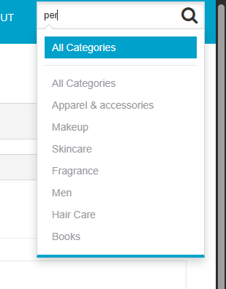
Bug ID | Priority | Description | Pre-requisites | Tests to Reproduce | Expected Result | Actual Result | Status | Executed by | Broswer/ Device | Attachements | Comments
B001 | P0 | Verify login button is disabled until both fields are filled | Open the url and enter the url : https://automationteststore.com/index.php?rt=account/login | Try clicking login with empty fields | Login button should be disabled | Login button not disabled | Fail | Sahil | Chrome
B002 | P1 | Verify auto-suggestions in search | Open the url and enter the url : https://automationteststore.com/index.php?rt=product/search&category_id=0 | Start typing product name | Suggestions appear in dropdown | No suggestions their | Fail | Sahil | Chrome
B003 | P2 | Wish list or save functionality is discoverable | Open the url and enter the url : https://automationteststore.com/ | Browse product detail | User can easily see option to Wishlist | It's difficult to find | Fail | Sahil | Chrome
B004 | P4 | Verify that Homepage is intuitive | Open the url and enter the url : https://automationteststore.com/ | Open homepage | User quickly understands site purpose and layout | No the web page is not easy to get | Fail | Sahil | Chrome 124.06
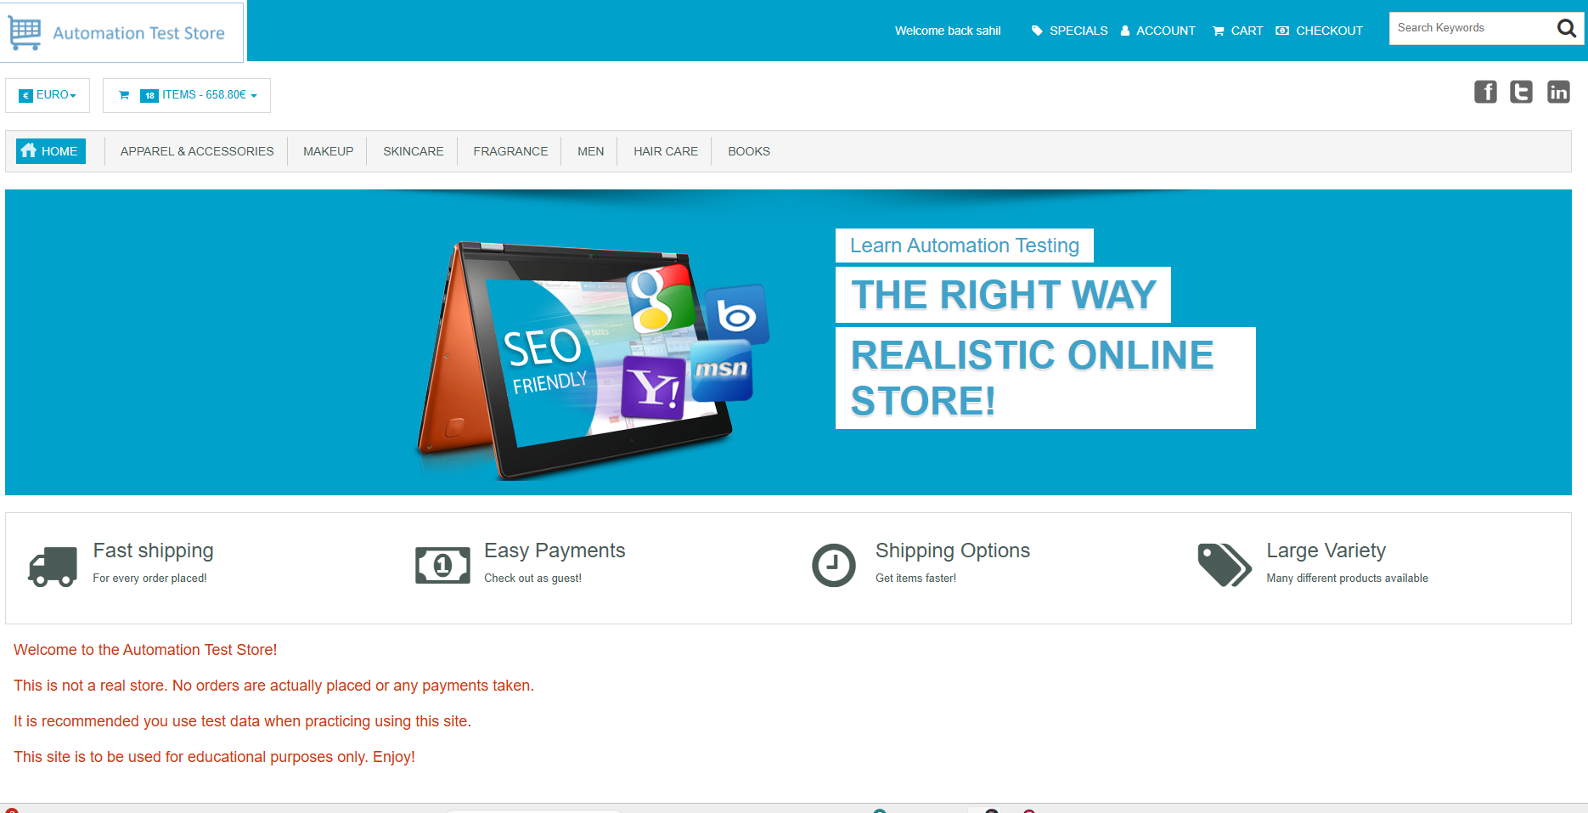
B005 | P4 | Search bar is easy to find and use | Open the url and enter the url : https://automationteststore.com/ | Locate and test search bar | User can find and use search easily | NO, User can't find and use search easily | Fail | Sahil | Chrome 124.06
B006 | P4 | Verify whether Buttons have proper labels | Open the url and enter the url : https://automationteststore.com/ | Hover over UI buttons | All buttons are self-explanatory and consistent | Buttons don't have proper lables | Fail | Sahil | Chrome 124.06
B007 | P4 | Font size and contrast are readable | Open the url and enter the url : https://automationteststore.com/ | go to the Home page | Text is readable, and colors don’t strain eyes | Font and colors are not satisfying | Fail | Sahil | Chrome 124.06
B008 | P4 | Verify that Product quantity update dynamically on the cart page. | Open the url and enter the url : https://automationteststore.com/ | Add product to cart , Try to update quantity | Product quantity update dynamically on the cart page | Product quantity doesn’t update dynamically on the cart page. | Fail | Sahil | Chrome 124.06

